Sheet1
DATE | INV NO. | DESCRIPTIONS | AMOUNT | BILLS | PRICE | SUBTOTAL | TOTAL
3-Dec-2025 | 2518 | HAND TOWEL TISSUE | 4 | 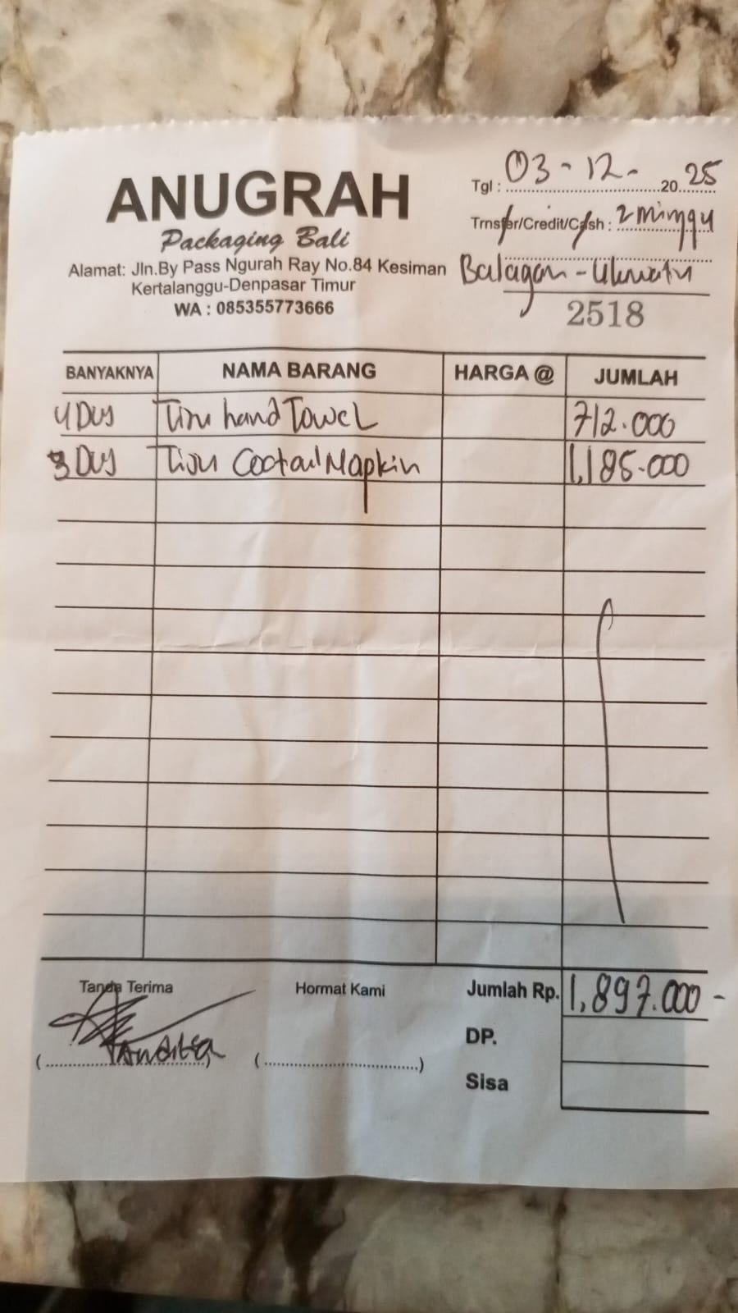 | IDR 178,000 | IDR 712,000 | IDR 1,897,000
 |  | COCKTAIL NAPKIN | 3 |  | IDR 395,000 | IDR 1,185,000
 |  |  |  |  |  | IDR - | IDR -
 |  |  |  |  |  | IDR -
 |  |  |  |  |  | IDR -
 |  |  |  |  |  | IDR -
 |  |  |  |  |  | IDR - | IDR -
GRAND TOTAL |  |  |  |  |  |  | Rp1,897,000

